w Answers
GPT2 (Small) - Transformer
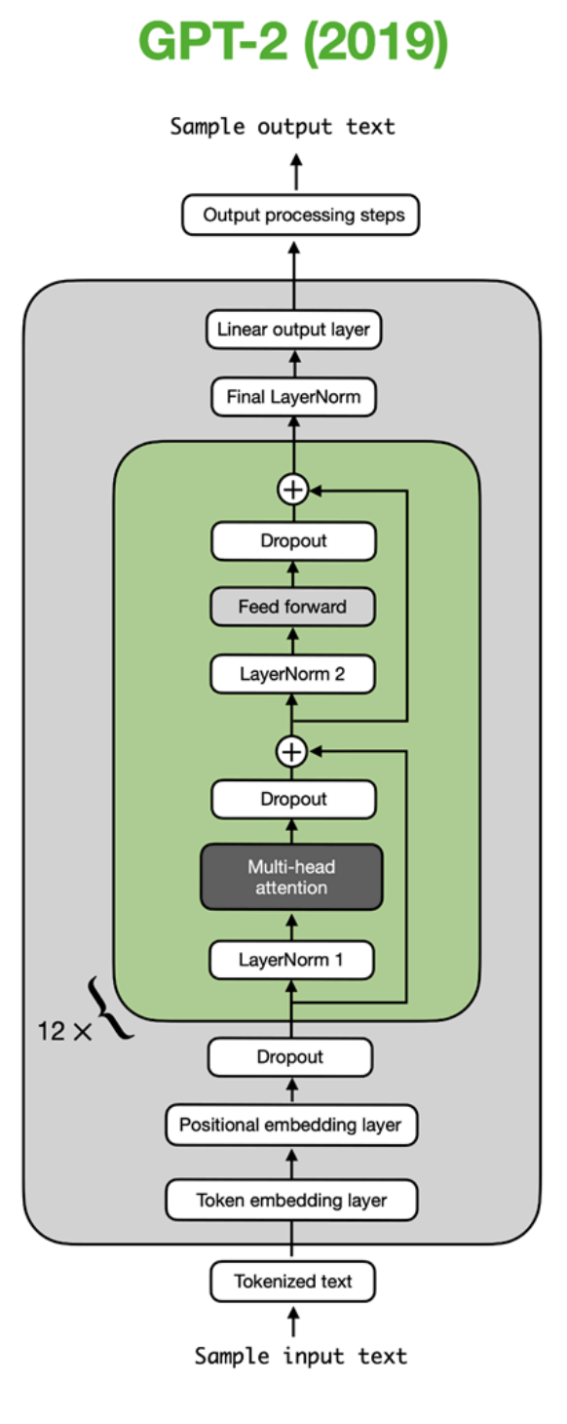 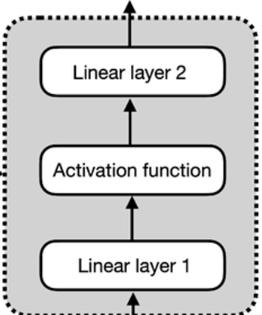

Tokenizer (by word for simplicity, but pretend its BPE)
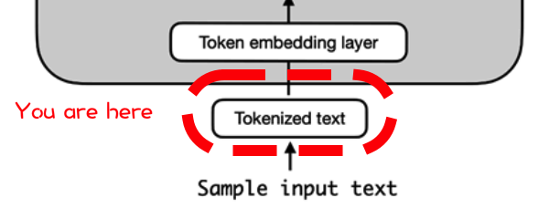
 | text | the brown dog jumped over the lazy fox

 | tokens | EOS | the | brown | dog | jumped | over | the | lazy | fox | Lorem | ipsum | dolor | sit | amet, | consectetur | adipiscing | elit | ... | foo
 | token_id | 1 | 2 | 3 | 4 | 5 | 6 | 7 | 8 | 9 | 10 | 11 | 12 | 13 | 14 | 15 | 16 | 17 | ... | 52678 | ⬅ Vocab size

 | input tokens | the | brown | dog | jumped | over | the | lazy | fox
 | input ids | 2 | 3 | 4 | 5 | 6 | 7 | 8 | 9

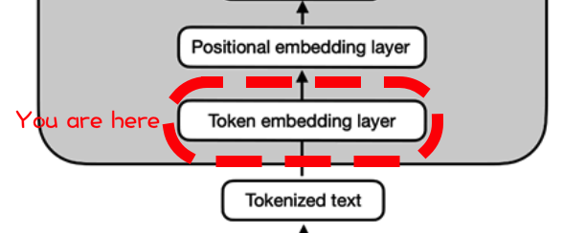

 |  | Embedding input matrix |  |  |  |  |  |  |  |  |  |  |  |  |  |  |  |  |  | Embedding matrix

 |  |  | 1 | 2 | 3 | 4 | 5 | ... | 765 | 766 | 767 | 768 | ⬅ hidden dimension (768) |  |  |  |  |  |  | 1 | 2 | 3 | 4 | 5 | ... | 765 | 766 | 767 | 768 | ⬅ hidden dimension (768)
 | 2 | the | 1.2 | -0.4 | -1.1 | 0.0 | -1.3 | ... | -0.2 | 1.4 | 0.5 | -0.9 |  |  |  |  |  | 1 | EOS | 0.3 | 0.9 | -0.6 | -0.5 | -0.8 | ... | 0.0 | -2.0 | 1.3 | -0.2
 | 3 | brown | -1.2 | 0.5 | -0.9 | -0.5 | -0.1 | ... | -0.1 | -0.7 | -1.3 | -0.7 |  |  |  |  |  | 2 | the | 1.2 | -0.4 | -1.1 | 0.0 | -1.3 | ... | -0.2 | 1.4 | 0.5 | -0.9
 | 4 | dog | 1.1 | -0.2 | 1.6 | -0.3 | -0.3 | ... | -0.1 | 1.1 | -0.1 | 0.0 |  |  |  |  |  | 3 | brown | -1.2 | 0.5 | -0.9 | -0.5 | -0.1 | ... | -0.1 | -0.7 | -1.3 | -0.7
 | 5 | jumped | -0.1 | 0.5 | 0.2 | 1.4 | -0.9 | ... | 1.1 | -1.3 | -1.6 | 0.7 |  |  |  |  |  | 4 | dog | 1.1 | -0.2 | 1.6 | -0.3 | -0.3 | ... | -0.1 | 1.1 | -0.1 | 0.0
 | 6 | over | -0.2 | -1.5 | -3.2 | 1.1 | 0.4 | ... | 0.5 | -0.5 | -1.8 | 0.3 |  |  |  |  |  | 5 | jumped | -0.1 | 0.5 | 0.2 | 1.4 | -0.9 | ... | 1.1 | -1.3 | -1.6 | 0.7
 | 7 | the | -1.6 | 0.1 | 0.3 | -0.9 | -1.1 | ... | 0.4 | -0.1 | 1.0 | -0.1 |  |  |  |  |  | 6 | over | -0.2 | -1.5 | -3.2 | 1.1 | 0.4 | ... | 0.5 | -0.5 | -1.8 | 0.3
 | 8 | lazy | -1.4 | 1.7 | -0.4 | -1.6 | 1.2 | ... | -0.9 | -0.6 | 1.3 | 0.1 |  |  |  |  |  | 7 | the | -1.6 | 0.1 | 0.3 | -0.9 | -1.1 | ... | 0.4 | -0.1 | 1.0 | -0.1
 | 9 | fox | 0.7 | -0.2 | -0.8 | 0.9 | -0.3 | ... | 0.3 | 2.0 | 0.6 | 0.7 |  |  |  |  |  | 8 | lazy | -1.4 | 1.7 | -0.4 | -1.6 | 1.2 | ... | -0.9 | -0.6 | 1.3 | 0.1
 | ... | ... | ... | ... | ... | ... | ... | ... | ... | ... | ... | ... |  |  |  |  |  | 9 | fox | 0.7 | -0.2 | -0.8 | 0.9 | -0.3 | ... | 0.3 | 2.0 | 0.6 | 0.7
 | 1 | EOS | -0.4 | 0.3 | -1.6 | 1.0 | -0.9 | ... | -0.6 | -0.4 | -0.6 | -0.1 |  |  |  |  |  | 10 | Lorem | -1.1 | 0.0 | -0.7 | 0.0 | 1.0 | ... | 0.1 | 0.9 | -1.1 | -1.3
 | 1 | EOS | -0.4 | 0.3 | -1.6 | 1.0 | -0.9 | ... | -0.6 | -0.4 | -0.6 | -0.1 |  |  |  |  |  | 11 | ipsum | -1.3 | 1.3 | -2.2 | 0.2 | 1.9 | ... | 1.5 | 0.2 | -2.0 | 2.3
 | ⬆ Context size (1024) |  |  |  |  |  |  |  |  |  |  |  |  |  |  |  |  | 12 | dolor | -0.7 | -0.1 | -0.2 | 0.4 | -0.5 | ... | -0.8 | 0.6 | 0.1 | 0.0
 |  |  |  |  |  |  |  |  |  |  |  |  |  |  |  |  |  | 13 | sit | -2.6 | 0.8 | -0.4 | 0.7 | -1.7 | ... | 1.3 | -0.2 | -3.0 | 0.5
 |  |  |  |  |  |  |  |  |  |  |  |  |  |  |  |  |  | 14 | amet, | -1.0 | 0.0 | 1.0 | -2.6 | 1.1 | ... | 0.2 | -0.4 | -0.9 | 2.4
 |  |  |  |  |  |  |  |  |  |  |  |  |  |  |  |  |  | 15 | consectetur | 1.6 | -0.4 | 2.3 | 0.5 | 0.7 | ... | 1.2 | -0.1 | 0.6 | 1.3
 |  |  |  |  |  |  |  |  |  |  |  |  |  |  |  |  |  | 16 | adipiscing | -1.0 | 1.7 | 0.4 | 0.4 | 0.7 | ... | 2.1 | 2.0 | 0.9 | 0.2
 |  |  |  |  |  |  |  |  |  |  |  |  |  |  |  |  |  | 17 | elit | -0.8 | -0.4 | -0.5 | 3.0 | -1.7 | ... | 1.8 | -1.2 | -1.4 | 1.2
 |  |  |  |  |  |  |  |  |  |  |  |  |  |  |  |  |  | ... | ... | ... | ... | ... | ... | ... | ... | ... | ... | ... | ...
 |  |  |  |  |  |  |  |  |  |  |  |  |  |  |  |  |  | 52678 | foo | -2.0 | 0.8 | -0.5 | 0.4 | 0.4 | ... | 1.3 | 1.0 | -0.8 | 0.0
 |  |  |  |  |  |  |  |  |  |  |  |  |  |  |  |  |  | ⬆ Vocab size

Absolute Positional Encoding (GPT2 actually uses learned embedding)

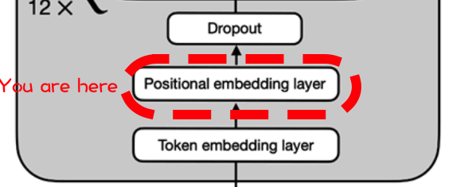
 | Embedding | 1.2 | -0.4 | -1.1 | 0.0 | -1.3 | -0.2 | 1.4 | 0.5 | -0.9
 | Input | -1.2 | 0.5 | -0.9 | -0.5 | -0.1 | -0.1 | -0.7 | -1.3 | -0.7
 | Matrix | 1.1 | -0.2 | 1.6 | -0.3 | -0.3 | -0.1 | 1.1 | -0.1 | 0.0
 |  | -0.1 | 0.5 | 0.2 | 1.4 | -0.9 | 1.1 | -1.3 | -1.6 | 0.7
 |  | -0.2 | -1.5 | -3.2 | 1.1 | 0.4 | 0.5 | -0.5 | -1.8 | 0.3
 |  | -1.6 | 0.1 | 0.3 | -0.9 | -1.1 | 0.4 | -0.1 | 1.0 | -0.1
 |  | -1.4 | 1.7 | -0.4 | -1.6 | 1.2 | -0.9 | -0.6 | 1.3 | 0.1
 |  | 0.7 | -0.2 | -0.8 | 0.9 | -0.3 | 0.3 | 2.0 | 0.6 | 0.7
 |  | -0.4 | 0.3 | -1.6 | 1.0 | -0.9 | -0.6 | -0.4 | -0.6 | -0.1

 | PE(x) | 1 | 2 | 3 | 4 | 5 | 6 | 7 | 8 | 9
 | 1 | 0.84 | 0.54 | 0.45 | 0.89 | 0.21 | 0.98 | 0.10 | 1.00 | 0.05
 | 2 | 0.91 | -0.42 | 0.80 | 0.60 | 0.42 | 0.91 | 0.20 | 0.98 | 0.09
 | 3 | 0.14 | -0.99 | 0.98 | 0.18 | 0.60 | 0.80 | 0.30 | 0.96 | 0.14
 | 4 | -0.76 | -0.65 | 0.96 | -0.28 | 0.76 | 0.65 | 0.39 | 0.92 | 0.18
 | 5 | -0.96 | 0.28 | 0.73 | -0.68 | 0.88 | 0.47 | 0.48 | 0.88 | 0.23
 | 6 | -0.28 | 0.96 | 0.35 | -0.94 | 0.96 | 0.27 | 0.56 | 0.83 | 0.27
 | 7 | 0.66 | 0.75 | -0.11 | -0.99 | 1.00 | 0.06 | 0.64 | 0.76 | 0.32
 | 8 | 0.99 | -0.15 | -0.54 | -0.84 | 0.99 | -0.15 | 0.72 | 0.70 | 0.36
 | 9 | 0.41 | -0.91 | -0.86 | -0.51 | 0.93 | -0.36 | 0.78 | 0.62 | 0.41
 |  |  |  |  |  | ⬇
 |  |  |  |  |  | ⬇
 | w/ encoding | 2.06 | 0.10 | -0.61 | 0.85 | -1.12 | 0.82 | 1.49 | 1.53 | -0.86
 |  | -0.3 | 0.0 | -0.1 | 0.1 | 0.3 | 0.8 | -0.5 | -0.3 | -0.6
 |  | 1.3 | -1.2 | 2.6 | -0.1 | 0.3 | 0.7 | 1.4 | 0.8 | 0.1
 |  | -0.8 | -0.2 | 1.1 | 1.1 | -0.1 | 1.8 | -0.9 | -0.7 | 0.9
 |  | -1.2 | -1.2 | -2.4 | 0.4 | 1.2 | 0.9 | 0.0 | -0.9 | 0.6
 |  | -1.9 | 1.1 | 0.6 | -1.8 | -0.2 | 0.6 | 0.4 | 1.8 | 0.2
 |  | -0.7 | 2.5 | -0.5 | -2.6 | 2.2 | -0.9 | 0.1 | 2.1 | 0.4
 |  | 1.7 | -0.3 | -1.3 | 0.1 | 0.7 | 0.1 | 2.8 | 1.3 | 1.0
 |  | 0.0 | -0.6 | -2.5 | 0.4 | 0.0 | -0.9 | 0.4 | 0.1 | 0.3

Dropout (pre-transformer)

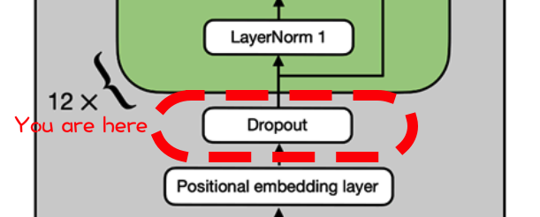
 | Rate | 10%

 | Dropout | 1 | 1 | 1 | 1 | 0 | 1 | 1 | 1 | 1
 | mask | 1 | 1 | 1 | 1 | 1 | 1 | 1 | 1 | 1
 |  | 1 | 0 | 1 | 1 | 0 | 1 | 1 | 0 | 0
 |  | 1 | 1 | 1 | 1 | 1 | 0 | 1 | 1 | 1
 |  | 1 | 1 | 1 | 1 | 1 | 1 | 1 | 1 | 0
 |  | 1 | 1 | 1 | 1 | 1 | 0 | 1 | 1 | 1
 |  | 0 | 1 | 1 | 1 | 1 | 1 | 1 | 1 | 1
 |  | 1 | 1 | 1 | 1 | 1 | 1 | 1 | 1 | 1
 |  | 1 | 1 | 1 | 1 | 1 | 1 | 1 | 1 | 1
 |  |  |  |  |  | ⬇
 |  |  |  |  |  | ⬇
 | Dropout | 2.1 | 0.1 | -0.6 | 0.9 | 0.0 | 0.8 | 1.5 | 1.5 | -0.9
 |  | -0.3 | 0.0 | -0.1 | 0.1 | 0.3 | 0.8 | -0.5 | -0.3 | -0.6
 |  | 1.3 | 0.0 | 2.6 | -0.1 | 0.0 | 0.7 | 1.4 | 0.0 | 0.0
 |  | -0.8 | -0.2 | 1.1 | 1.1 | -0.1 | 0.0 | -0.9 | -0.7 | 0.9
 |  | -1.2 | -1.2 | -2.4 | 0.4 | 1.2 | 0.9 | 0.0 | -0.9 | 0.0
 |  | -1.9 | 1.1 | 0.6 | -1.8 | -0.2 | 0.0 | 0.4 | 1.8 | 0.2
 |  | 0.0 | 2.5 | -0.5 | -2.6 | 2.2 | -0.9 | 0.1 | 2.1 | 0.4
 |  | 1.7 | -0.3 | -1.3 | 0.1 | 0.7 | 0.1 | 2.8 | 1.3 | 1.0
 |  | 0.0 | -0.6 | -2.5 | 0.4 | 0.0 | -0.9 | 0.4 | 0.1 | 0.3
 |  |  |  |  |  | ⬇
 |  |  |  |  |  | ⬇
TRANSFORMER -BEGIN-
1st pre LayerNorm
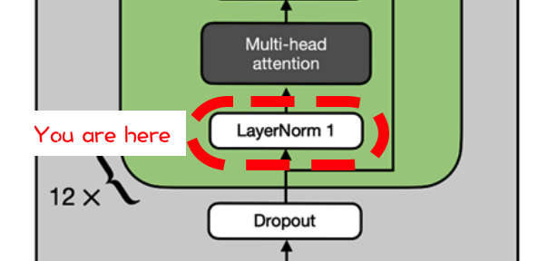
 |  |  |  |  |  | ⬇
 | LayerNorm | 1.5 | -0.5 | -1.3 | 0.3 | -0.6 | 0.2 | 0.9 | 1.0 | -1.5
 |  | -0.6 | 0.2 | -0.2 | 0.3 | 1.0 | 2.1 | -1.0 | -0.5 | -1.3
 |  | 0.7 | -0.7 | 2.2 | -0.9 | -0.7 | 0.0 | 0.9 | -0.7 | -0.7
 |  | -1.1 | -0.3 | 1.4 | 1.4 | -0.2 | 0.0 | -1.2 | -1.0 | 1.1
 |  | -0.8 | -0.8 | -1.9 | 0.7 | 1.4 | 1.2 | 0.3 | -0.5 | 0.3
 |  | -1.7 | 0.9 | 0.5 | -1.6 | -0.2 | 0.0 | 0.4 | 1.5 | 0.2
 |  | -0.2 | 1.4 | -0.6 | -1.9 | 1.2 | -0.8 | -0.2 | 1.1 | 0.0 | ➡ | ➡ | ➡ | ➡
 |  | 0.9 | -0.9 | -1.8 | -0.5 | 0.0 | -0.5 | 1.9 | 0.5 | 0.3 |  |  |  | ⬇
 |  | 0.4 | -0.3 | -2.5 | 0.9 | 0.3 | -0.7 | 0.8 | 0.4 | 0.6 |  |  |  | ⬇
 |  |  |  |  |  |  |  |  |  |  |  |  |  | ⬇
Multi-head attention
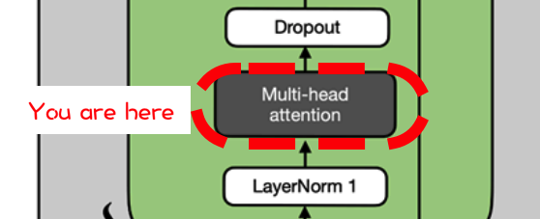
 |  |  |  |  |  |  |  |  |  |  | (for demo purposes, 5x5)
 |  |  |  |  |  |  |  |  |  |  | Input | 1.5 | -0.5 | -1.3 | 0.3 | -0.6 |  |  |  |  |  |  | Causal | 0 | -99 | -99 | -99 | -99
 |  |  |  |  |  |  |  |  |  |  | (X) | -0.6 | 0.2 | -0.2 | 0.3 | 1.0 |  |  |  |  |  |  | Mask | 0 | 0 | -99 | -99 | -99
 |  |  |  |  |  |  |  | ⬅ | ⬅ | ⬅ | ⬅ | 0.7 | -0.7 | 2.2 | -0.9 | -0.7 | ➡ | ➡ | ➡ | ➡ | (10 more) |  |  | 0 | 0 | 0 | -99 | -99
 |  |  |  |  |  |  |  | ⬇ |  |  |  | -1.1 | -0.3 | 1.4 | 1.4 | -0.2 |  |  |  | ⬇ |  |  |  | 0 | 0 | 0 | 0 | -99
 |  |  |  |  |  |  |  | ⬇ |  |  |  | -0.8 | -0.8 | -1.9 | 0.7 | 1.4 |  |  |  | ⬇ |  |  |  | 0 | 0 | 0 | 0 | 0
 |  |  |  |  |  |  |  | ⬇ |  |  |  |  |  |  |  |  |  |  |  | ⬇

 | Weight Q1 | 0.3 | -0.9 | 1.5 | 0.9 | -0.4 |  | Q1 | 1.4 | -1.4 | 5.1 | -0.5 | -3.0 |  |  | Weight Q2 | 1.5 | -1.1 | 1.3 | 0.2 | 0.3 |  | Q2 | 3.6 | -2.3 | 0.9 | -0.6 | -2.6
 | (Query) | -1.9 | -1.7 | -0.5 | -0.1 | 1.4 |  |  | -3.0 | -0.1 | -1.1 | 0.2 | 1.8 |  |  | (Query) | -1.9 | -0.3 | 0.8 | 0.4 | 0.1 |  |  | -2.6 | 0.1 | 4.6 | -0.7 | 0.4
 |  | 0.1 | -0.3 | 0.5 | 1.9 | -1.2 | ➡ | ➡ | -0.5 | -0.1 | 5.9 | 1.3 | -2.8 |  |  |  | -1.5 | -1.7 | -1.8 | -1.4 | 0.2 | ➡ | ➡ | -1.1 | 2.0 | -4.0 | -1.2 | 1.2
 |  | 0.0 | -0.9 | 1.3 | -1.3 | -0.2 |  |  | 3.1 | -0.7 | 1.4 | -3.3 | -1.8 |  |  |  | -0.4 | 0.0 | -1.5 | -0.9 | -0.8 |  |  | 0.0 | 2.1 | -2.6 | -0.6 | 0.3
 |  | 1.8 | -0.9 | -2.4 | 0.2 | 1.9 |  |  | 0.0 | -0.9 | -10.5 | 3.8 | 2.4 |  |  |  | 0.8 | 0.3 | 1.2 | -0.1 | -0.7 |  |  | 2.6 | -0.6 | 2.7 | -1.4 | -2.1

 | Weight K1 | 0.4 | -0.6 | 0.4 | 1.5 | -0.3 |  | K1 | -0.2 | -0.8 | 3.0 | 1.6 | -1.8 |  |  | Weight K2 | 1.4 | 2.1 | -0.4 | -1.2 | 0.2 |  | K2 | 1.7 | 0.2 | -5.0 | -0.1 | 2.0
 | (Key) | 1.4 | 1.0 | 0.0 | -0.1 | -1.3 |  |  | 2.6 | 0.5 | 0.4 | -0.3 | -1.7 |  |  | (Key) | -0.1 | 0.3 | -0.6 | 1.2 | -1.4 |  |  | -1.0 | 1.3 | 2.9 | 1.3 | -1.5
 |  | -1.0 | -0.3 | 0.8 | 0.4 | -1.2 | ➡ | ➡ | -0.4 | 0.7 | 5.9 | -1.4 | -2.0 |  |  |  | 0.8 | 0.2 | 1.8 | 0.9 | -0.6 | ➡ | ➡ | 1.9 | -1.5 | 5.4 | -0.5 | -2.7
 |  | -0.9 | 0.3 | 0.8 | 0.5 | 0.3 |  |  | -1.9 | -0.4 | 3.1 | 0.1 | 0.6 |  |  |  | -1.2 | 1.0 | -1.4 | 0.9 | -2.4 |  |  | -2.8 | 3.5 | 4.2 | 0.9 | -0.9
 |  | -0.2 | -0.7 | 0.2 | 0.5 | -0.9 |  |  | 0.4 | 0.4 | 3.1 | -0.4 | -2.1 |  |  |  | -1.4 | -0.8 | -1.1 | 0.9 | 0.2 |  |  | -3.6 | 0.9 | 0.4 | 1.7 | 1.0

 | Weight V1 | 1.2 | 0.5 | 0.3 | 0.9 | -0.9 |  | V1 | 1.4 | -0.2 | 2.0 | 0.9 | -2.0 |  |  | Weight V2 | 0.8 | -2.7 | -0.6 | 0.0 | 0.3 |  | V2 | 2.3 | -0.9 | -2.2 | 0.0 | -2.3
 | (Value) | 0.4 | -1.0 | -1.8 | 0.2 | 0.5 |  |  | -0.7 | 0.4 | -5.0 | 2.0 | 0.8 |  |  | (Value) | -1.7 | -0.2 | 0.2 | 0.0 | -0.1 |  |  | -2.4 | 0.9 | 2.9 | -0.7 | 0.6
 |  | -0.7 | -0.9 | 1.1 | -2.0 | -2.6 | ➡ | ➡ | 4.6 | 1.8 | 5.6 | -6.1 | -4.6 |  |  |  | -0.1 | -0.9 | 1.0 | 0.4 | -0.4 | ➡ | ➡ | 0.9 | -0.7 | 3.8 | -0.9 | -2.1
 |  | 0.3 | -0.4 | 0.2 | -0.9 | -1.2 |  |  | 2.8 | 0.8 | 1.2 | -2.4 | -2.3 |  |  |  | -0.8 | 1.2 | 0.2 | 1.2 | -1.0 |  |  | -2.5 | 1.1 | 4.9 | 0.9 | -0.2
 |  | 0.8 | 0.9 | -0.4 | 1.0 | 0.9 |  |  | -1.5 | -0.9 | -2.4 | 2.9 | 1.8 |  |  |  | 2.2 | 0.9 | 0.3 | 0.0 | 0.0 |  |  | 3.1 | -1.2 | -2.2 | 0.6 | -0.8

 |  |  |  |  | Q*Kt/Dk^0.5 | -6.2 | 0.5 | -5.7 | 3.6 | 4.8 |  |  |  |  |  |  |  |  |  | Q*Kt/Dk^0.5 | -1.2 | -1.7 | -5.9 | 1.8 | 1.8
 |  |  |  |  |  | -1.9 | 0.5 | -2.3 | 1.8 | 1.4 |  |  |  |  |  |  |  |  |  |  | 0.7 | 1.6 | 2.4 | -1.2 | -1.2
 |  |  |  |  |  | 4.4 | -4.3 | 9.8 | 3.3 | -10.3 |  |  |  |  |  |  |  |  |  |  | -13.7 | 14.1 | -10.1 | -3.9 | 9.6
 |  |  |  |  |  | 1.8 | -0.8 | 1.7 | -1.9 | -1.0 |  |  |  |  |  |  |  |  |  |  | 0.5 | 0.1 | 4.7 | -1.4 | -1.4
 |  |  |  |  |  | 2.5 | 1.9 | 1.5 | -5.3 | 0.8 |  |  |  |  |  |  |  |  |  |  | 7.5 | -5.8 | 5.0 | 1.0 | -5.2
 |  |  |  |  |  |  |  | ⬇ |  |  |  |  |  |  |  |  |  |  |  |  |  |  | ⬇
 |  |  |  |  |  |  |  | ⬇ |  |  |  |  |  |  |  |  |  |  |  |  |  |  | ⬇
 |  |  |  |  | SoftMax(Q*Kt/Dk^0.5) | 1.00 | 0.00 | 0.00 | 0.00 | 0.00 |  |  |  |  |  |  |  |  |  | SoftMax(Q*Kt/Dk^0.5) | 1.00 | 0.00 | 0.00 | 0.00 | 0.00
 |  |  |  |  | w/ Mask | 0.09 | 0.91 | 0.00 | 0.00 | 0.00 |  |  |  |  |  |  |  |  |  | w/ Mask | 0.28 | 0.72 | 0.00 | 0.00 | 0.00
 |  |  |  |  |  | 0.00 | 0.00 | 1.00 | 0.00 | 0.00 |  |  |  |  |  |  |  |  |  |  | 0.00 | 1.00 | 0.00 | 0.00 | 0.00
 |  |  |  |  |  | 0.49 | 0.04 | 0.46 | 0.01 | 0.00 |  |  |  |  |  |  |  |  |  |  | 0.01 | 0.01 | 0.97 | 0.00 | 0.00
 |  |  |  |  |  | 0.47 | 0.26 | 0.17 | 0.00 | 0.09 |  |  |  |  |  |  |  |  |  |  | 0.92 | 0.00 | 0.08 | 0.00 | 0.00
 |  |  |  |  |  |  |  | ⬇ |  |  |  |  |  |  |  |  |  |  |  |  |  |  | ⬇
 |  |  |  |  |  |  |  | ⬇ |  |  |  |  |  |  |  |  |  |  |  |  |  |  | ⬇
 |  |  |  |  | Causal self-attention #1 | 0.9 | -0.7 | 2.1 | 0.0 | -0.2 |  |  |  |  |  |  |  |  |  | Causal self-attention #2 | -0.1 | -2.9 | -0.1 | 0.0 | 0.0
 |  |  |  |  |  | 0.7 | 0.7 | -3.9 | 0.0 | 0.1 |  |  |  |  |  |  |  |  |  |  | -1.6 | 3.5 | -0.7 | 0.0 | 0.0
 |  |  |  |  |  | -0.4 | 0.2 | 2.0 | -0.1 | -0.4 |  |  |  |  |  |  |  |  |  |  | -1.3 | 3.3 | -1.0 | 0.0 | 0.0
 |  |  |  |  |  | 0.6 | 0.0 | -0.3 | 0.0 | -0.2 |  |  |  |  |  |  |  |  |  |  | -2.3 | 5.7 | 0.9 | 0.0 | 0.0
 |  |  |  |  |  | 0.7 | -0.3 | -0.7 | 0.0 | 0.2 |  |  |  |  |  | ⬅ | ⬅ | ⬅ | ⬅ | ⬅ | 2.0 | -3.1 | 0.5 | 0.0 | 0.0
 |  |  |  |  |  |  |  |  |  | ⬇ |  |  |  |  |  | ⬇
 |  |  |  |  |  |  |  |  |  | ⬇ |  |  |  |  |  | ⬇
 |  |  |  |  |  |  |  | Causal self-attention #1 |  |  |  |  | Causal self-attention #2 |  |  |  |  | Causal self-attention #12 (pretend there's 9 more here))
 |  |  |  |  |  |  | Concat | 0.9 | -0.7 | 2.1 | 0.0 | -0.2 | -0.1 | -2.9 | -0.1 | 0.0 | 0.0 | -1.4 | -0.8 | -0.3 | 0.0 | 1.5
 |  |  |  |  |  |  |  | 0.7 | 0.7 | -3.9 | 0.0 | 0.1 | -1.6 | 3.5 | -0.7 | 0.0 | 0.0 | -1.4 | -1.3 | 1.0 | 0.9 | -0.4
 |  |  |  |  |  |  |  | -0.4 | 0.2 | 2.0 | -0.1 | -0.4 | -1.3 | 3.3 | -1.0 | 0.0 | 0.0 | 0.8 | 0.5 | 0.6 | -0.4 | 2.0
 |  |  |  |  |  |  |  | 0.6 | 0.0 | -0.3 | 0.0 | -0.2 | -2.3 | 5.7 | 0.9 | 0.0 | 0.0 | 0.5 | -0.1 | -0.9 | -0.8 | 1.4
 |  |  |  |  |  |  |  | 0.7 | -0.3 | -0.7 | 0.0 | 0.2 | 2.0 | -3.1 | 0.5 | 0.0 | 0.0 | -0.5 | -0.3 | -1.2 | -1.4 | 2.1
 |  |  |  |  |  |  |  |  |  |  |  |  |  |  |  |  | ⬇
 |  |  |  |  |  |  |  |  |  |  |  |  |  |  |  |  | ⬇
 |  |  |  |  |  |  | W0 | 1.4 | 0.3 | -1.3 | 0.0 | -1.2 |  | MHA | 4.3 | 2.3 | 0.3 | -2.1 | -4.4
 |  |  |  |  |  |  |  | -0.4 | 0.8 | 1.1 | -0.9 | -0.4 |  |  | -5.1 | -4.4 | -5.2 | 0.6 | 8.3
 |  |  |  |  |  |  |  | 0.4 | 0.0 | 0.4 | -0.4 | -0.4 | ➡ | ➡ | 5.5 | -11.1 | -8.0 | -2.3 | -3.0
 |  |  |  |  |  |  |  | 1.1 | 0.2 | -0.4 | -1.2 | -1.4 |  |  | 4.5 | -15.6 | -10.8 | -2.7 | 1.3
 |  |  |  |  |  |  |  | 0.4 | 0.3 | -0.5 | 0.0 | -0.7 |  |  | 8.5 | 3.0 | 2.5 | -4.7 | -6.6
 |  |  |  |  |  |  |  | 0.9 | 1.1 | 2.3 | -1.3 | 0.4
 |  |  |  |  |  |  |  | 0.2 | -1.7 | -0.5 | -0.6 | 1.0
 |  |  |  |  |  |  |  | -0.5 | 0.1 | 1.0 | 0.0 | 0.6
 |  |  |  |  |  |  |  | 0.6 | 0.4 | 0.2 | 0.8 | 0.1
 |  |  |  |  |  |  |  | 0.2 | 0.1 | 0.6 | -2.0 | 0.0
 |  |  |  |  |  |  |  | 0.5 | -0.3 | -1.1 | 0.7 | -0.4
 |  |  |  |  |  |  |  | 0.5 | -0.5 | -0.2 | 0.6 | -2.4
 |  |  |  |  |  |  |  | -0.6 | 0.6 | -0.7 | 0.9 | 0.2
 |  |  |  |  |  |  |  | -1.2 | 0.4 | 1.3 | 0.0 | 1.2
 |  |  |  |  |  |  |  | 2.4 | -1.8 | -1.1 | -1.3 | -1.6

Dropout (in transformer, after attention)

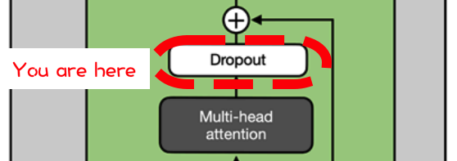
 | Rate | 10%

 | Dropout | 1 | 1 | 1 | 1 | 1
 | mask | 1 | 1 | 1 | 1 | 1
 |  | 0 | 1 | 1 | 1 | 1
 |  | 1 | 1 | 1 | 1 | 1
 |  | 1 | 1 | 1 | 1 | 1
 |  |  |  | ⬇
 |  |  |  | ⬇
 | Dropout | 4.3 | 2.3 | 0.3 | -2.1 | -4.4
 |  | -5.1 | -4.4 | -5.2 | 0.6 | 8.3
 |  | 0.0 | -11.1 | -8.0 | -2.3 | -3.0
 |  | 4.5 | -15.6 | -10.8 | -2.7 | 1.3
 |  | 8.5 | 3.0 | 2.5 | -4.7 | -6.6
 |  |  |  | ⬇
Residual adding input before the pre-layernorm 1
 |  |  |  | ⬇
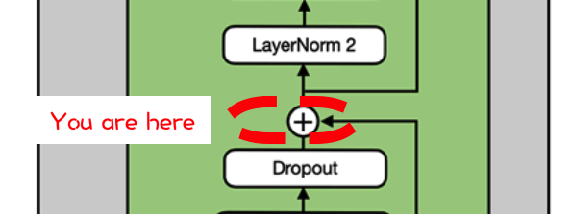
 | Pre- | 2.1 | 0.1 | -0.6 | 0.9 | 0.0
 | LayerNorm | -0.3 | 0.0 | -0.1 | 0.1 | 0.34
 | Input | 1.3 | 0.0 | 2.6 | -0.1 | 0.00
 |  | -0.8 | -0.2 | 1.1 | 1.1 | -0.1
 |  | -1.2 | -1.2 | -2.4 | 0.4 | 1.2

 | w/ Residual | 6.3 | 2.4 | -0.3 | -1.3 | -4.4
 |  | -5.4 | -4.4 | -5.4 | 0.6 | 8.6
 |  | 1.3 | -11.1 | -5.4 | -2.5 | -3.0
 |  | 3.7 | -15.8 | -9.7 | -1.5 | 1.2
 |  | 7.4 | 1.8 | 0.0 | -4.3 | -5.4
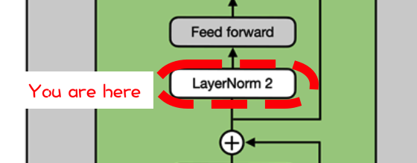
 |  |  |  | ⬇
2nd pre LayerNorm
 |  |  |  | ⬇
 | LayerNorm | 6.3 | 2.0 | -0.9 | -2.0 | -5.4
 |  | -18.6 | -14.1 | -18.4 | 8.1 | 43.0
 |  | 5.1 | -6.6 | -1.2 | 1.6 | 1.1
 |  | 10.4 | -14.6 | -6.7 | 3.7 | 7.2
 |  | 5.7 | 1.5 | 0.1 | -3.2 | -4.1

FFN: Growing (4x)
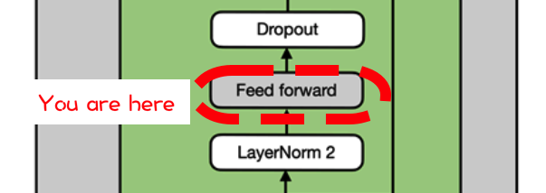
 | 4x Weights | -0.3 | 0.3 | -2.2 | 1.2 | -0.5 | 0.0 | -0.5 | 0.7 | -1.2 | 0.0 | 0.3 | 0.2 | 0.6 | 0.9 | 0.5 | -0.1 | 0.7 | -1.5 | 0.2 | -0.3
 |  | 1.3 | 0.1 | 1.3 | -2.0 | 0.0 | -0.8 | 0.0 | -0.5 | -0.7 | -0.7 | 2.5 | 1.5 | 0.9 | -0.7 | -1.0 | 1.0 | 0.4 | -0.1 | 0.5 | -1.9
 |  | -1.4 | 0.4 | 1.0 | 0.2 | -0.9 | 0.6 | -0.2 | 0.3 | -1.1 | -0.6 | 0.2 | 0.2 | 0.8 | -1.0 | -1.6 | -0.5 | 2.3 | -2.1 | 0.3 | -0.5
 |  | -0.1 | -1.1 | -0.4 | -0.9 | 0.1 | 0.1 | -1.0 | 0.3 | 0.1 | -2.4 | 1.1 | 0.2 | -0.4 | 0.5 | 2.1 | -0.4 | -2.5 | -1.4 | 1.9 | 0.1
 |  | 2.4 | -0.4 | 0.5 | 0.9 | -1.0 | -0.3 | 0.7 | -0.2 | 1.3 | -0.7 | 0.1 | -3.0 | 0.1 | -1.1 | -2.5 | -2.2 | -0.5 | -0.2 | -0.4 | 1.3
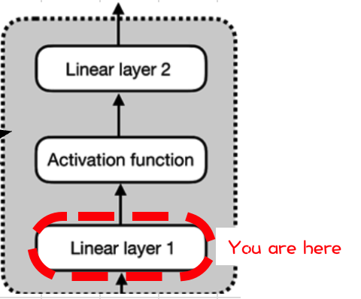
 |  |  |  |  |  |  |  |  |  | ⬇
 |  |  |  |  |  |  |  |  |  | ⬇
 | LayerNorm | -11.0 | 6.5 | -14.0 | -0.1 | 2.9 | -1.3 | -5.1 | 3.4 | -15.1 | 7.4 | 4.1 | 19.9 | 5.0 | 10.3 | 11.5 | 14.0 | 11.1 | -3.8 | 0.2 | -12.7
 | @ 4x | 117.4 | -41.3 | 23.5 | 34.9 | -17.2 | -9.7 | 36.0 | -18.8 | 109.3 | -25.6 | -31.5 | -155.2 | -35.9 | -32.7 | -53.6 | -99.1 | -102.9 | 49.2 | -16.5 | 98.2
 |  | -5.9 | -1.5 | -21.3 | 18.7 | -2.2 | 4.4 | -3.1 | 6.2 | 1.5 | 0.8 | -12.9 | -11.7 | -4.4 | 10.0 | 12.0 | -9.5 | -6.0 | -6.6 | 0.1 | 13.2
 |  | 4.6 | -7.4 | -46.3 | 43.5 | -5.8 | 6.0 | -2.3 | 10.7 | 15.3 | 0.7 | -29.1 | -41.3 | -12.9 | 19.8 | 20.9 | -29.6 | -26.1 | -5.7 | -2.6 | 37.7
 |  | -9.7 | 7.4 | -11.3 | 2.9 | 0.9 | -0.6 | -2.9 | 3.0 | -13.6 | 9.1 | 1.5 | 15.1 | 5.7 | 7.0 | 4.3 | 10.7 | 15.1 | -3.7 | -2.7 | -10.3
 |  |  |  |  |  |  |  |  |  | ⬇
FFN: GELU
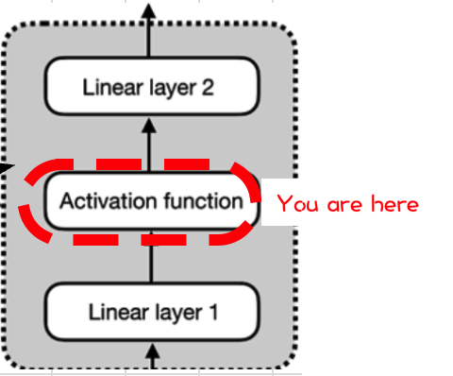
 |  |  |  |  |  |  |  |  |  | ⬇
 | GeLU | 0.0 | 6.5 | 0.0 | -0.1 | 2.9 | -0.1 | 0.0 | 3.4 | 0.0 | 7.4 | 4.1 | 19.9 | 5.0 | 10.3 | 11.5 | 14.0 | 11.1 | 0.0 | 0.1 | 0.0
 |  | 117.4 | 0.0 | 23.5 | 34.9 | 0.0 | 0.0 | 36.0 | 0.0 | 109.3 | 0.0 | 0.0 | 0.0 | 0.0 | 0.0 | 0.0 | 0.0 | 0.0 | 49.2 | 0.0 | 98.2
 |  | 0.0 | -0.1 | 0.0 | 18.7 | 0.0 | 4.4 | 0.0 | 6.2 | 1.4 | 0.6 | 0.0 | 0.0 | 0.0 | 10.0 | 12.0 | 0.0 | 0.0 | 0.0 | 0.0 | 13.2
 |  | 4.6 | 0.0 | 0.0 | 43.5 | 0.0 | 6.0 | 0.0 | 10.7 | 15.3 | 0.6 | 0.0 | 0.0 | 0.0 | 19.8 | 20.9 | 0.0 | 0.0 | 0.0 | 0.0 | 37.7
 |  | 0.0 | 7.4 | 0.0 | 2.9 | 0.7 | -0.2 | 0.0 | 3.0 | 0.0 | 9.1 | 1.4 | 15.1 | 5.7 | 7.0 | 4.3 | 10.7 | 15.1 | 0.0 | 0.0 | 0.0
 |  |  |  |  |  |  |  |  |  |  |  | ⬇
 |  |  |  |  |  |  |  |  |  |  |  | ⬇
FFN: Shrinking (4x)
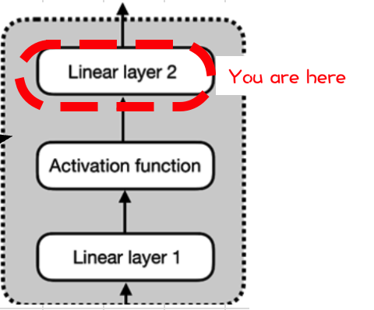
 |  |  |  |  |  |  |  |  |  |  |  | ⬇
 | /4x Weights | -1.1 | 0.3 | 0.2 | -0.1 | -0.4 |  |  | 4x shrinking | -4.1 | 7.2 | -11.2 | 2.5 | -29.7
 |  | -1.3 | -0.7 | -0.4 | -0.4 | -0.3 |  |  |  | -214.7 | 249.4 | 77.5 | 88.6 | -149.2
 |  | 0.9 | 1.8 | -1.8 | 2.0 | -1.7 | ➡ | ➡ | ➡ | -22.7 | -6.2 | 32.7 | -0.6 | -50.0
 |  | -1.2 | -1.3 | 1.4 | -0.7 | -0.7 |  |  |  | -58.5 | -5.4 | 78.7 | 3.9 | -104.9
 |  | 0.2 | -1.3 | 2.5 | -2.0 | 2.0 |  |  |  | -8.8 | 0.0 | -20.3 | 4.1 | -12.7
 |  | -0.5 | 1.7 | 0.1 | -0.8 | 0.6
 |  | -1.3 | 0.6 | 0.4 | 0.9 | 0.9
 |  | -1.6 | -0.2 | -1.6 | 0.0 | -1.1
 |  | 0.7 | 1.2 | -0.2 | -0.2 | -1.0
 |  | 0.7 | -1.8 | -0.3 | 1.7 | -0.2
 |  | -0.6 | -1.0 | 0.5 | 0.3 | -0.6
 |  | -1.1 | 0.9 | 0.2 | -0.3 | 1.0
 |  | -0.3 | -0.3 | -0.8 | -1.5 | -0.6
 |  | 1.0 | 1.3 | -0.5 | 1.0 | -2.8
 |  | 1.0 | -0.2 | 1.1 | -0.6 | -1.2
 |  | 0.1 | 0.0 | -1.0 | 0.7 | -1.0
 |  | 0.7 | 0.5 | -0.4 | -0.4 | 1.4
 |  | -0.1 | 1.1 | -0.1 | -0.4 | -0.9
 |  | 1.0 | -0.1 | 0.5 | 0.3 | -0.2
 |  | -0.9 | 0.2 | 0.6 | 0.8 | 0.8

Dropout (in transformer, after FFN)

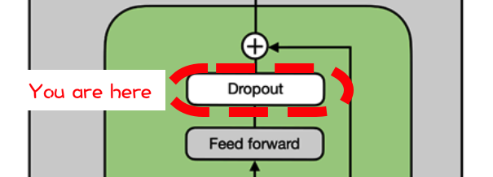
 | Rate | 10%

 | Dropout | 1 | 1 | 1 | 1 | 1
 | mask | 1 | 1 | 0 | 1 | 1
 |  | 1 | 1 | 1 | 1 | 1
 |  | 1 | 1 | 1 | 1 | 1
 |  | 1 | 1 | 1 | 1 | 1
 |  |  |  | ⬇
 |  |  |  | ⬇
 | Dropout | -4.1 | 7.2 | -11.2 | 2.5 | -29.7
 |  | -214.7 | 249.4 | 0.0 | 88.6 | -149.2
 |  | -22.7 | -6.2 | 32.7 | -0.6 | -50.0
 |  | -58.5 | -5.4 | 78.7 | 3.9 | -104.9
 |  | -8.8 | 0.0 | -20.3 | 4.1 | -12.7

Residual adding input before the 2nd pre-layernorm
 |  |  |  | ⬇
 | Pre- | 6.3 | 2.4 | -0.3 | -1.3 | -4.4
 | LayerNorm | -5.4 | -4.4 | -5.4 | 0.6 | 8.60
 | Input | 1.3 | -11.1 | -5.4 | -2.5 | -3.03
 |  | 3.7 | -15.8 | -9.7 | -1.5 | 1.2
 |  | 7.4 | 1.8 | 0.0 | -4.3 | -5.4

 | w/ Residual | 2.2 | 9.6 | -11.5 | 1.3 | -34.1
 |  | -220.2 | 245.0 | -5.4 | 89.2 | -140.6
 |  | -21.4 | -17.3 | 27.3 | -3.1 | -53.0
 |  | -54.8 | -21.2 | 69.1 | 2.4 | -103.7
 |  | -1.4 | 1.8 | -20.3 | -0.1 | -18.1
 |  |  |  |  | ⬇
 |  |  |  |  | ⬇
TRANSFORMER -END-
Even more transformers (12 in total!)
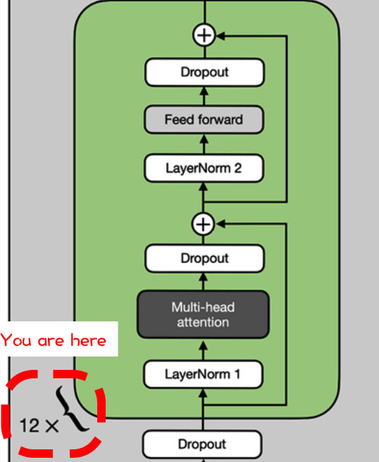
 |  |  |  |  | ⬇
 |  | Transformer 1 | 2.2 | 9.6 | -11.5 | 1.3 | -34.1
 |  | output | -220.2 | 245.0 | -5.4 | 89.2 | -140.6
 |  |  | -21.4 | -17.3 | 27.3 | -3.1 | -53.0
 |  |  | -54.8 | -21.2 | 69.1 | 2.4 | -103.7
 |  |  | -1.4 | 1.8 | -20.3 | -0.1 | -18.1
 |  |  |  |  | ⬇
 |  | Transformer 2 | 0.6 | 1.2 | 1.0 | -0.7 | 1.1
 |  | output | -0.8 | -0.8 | 0.8 | 0.1 | 2.2
 |  |  | 0.0 | 0.2 | 0.2 | 0.6 | -0.8
 |  |  | 0.6 | -1.5 | 0.1 | 0.4 | 1.3
 |  |  | 0.8 | 0.3 | 0.5 | 1.3 | 0.2
 |  |  |  |  | ⬇
 |  | Transformer 3 | -0.6 | 0.7 | 0.9 | 0.1 | 0.7
 |  | output | -0.5 | -0.6 | 0.0 | 2.8 | -2.3
 |  |  | -0.7 | -1.1 | 0.3 | 1.0 | 1.2
 |  |  | 0.2 | 1.2 | 0.3 | -0.4 | -0.1
 |  |  | 1.6 | -2.1 | -0.2 | 0.3 | -0.7
 |  |  |  |  | ⬇
 |  | Transformer 4 | 0.9 | 1.3 | 0.0 | -0.1 | -1.1
 |  | output | 0.9 | -1.3 | 0.1 | 1.2 | 1.0
 |  |  | 0.3 | 0.2 | -0.6 | -0.2 | 0.3
 |  |  | 1.3 | -2.3 | -0.4 | -0.4 | 0.2
 |  |  | -1.2 | -0.4 | 1.0 | 0.4 | 0.0
 |  |  |  |  | ⬇
 |  | Transformer 5 | -0.1 | 0.7 | -0.2 | 0.1 | 0.9
 |  | output | 0.8 | -0.7 | 0.6 | -1.0 | 1.2
 |  |  | -0.6 | -1.2 | -2.1 | -0.9 | -2.6
 |  |  | -1.7 | 0.8 | 0.0 | -0.3 | -1.8
 |  |  | 0.4 | 0.6 | -1.8 | -0.2 | 1.6
 |  |  |  |  | ⬇
 |  | Transformer 6 | 0.7 | -0.2 | -0.5 | 1.1 | 1.6
 |  | output | -0.2 | 0.4 | -0.2 | -0.3 | 0.3
 |  |  | 0.2 | 1.5 | -1.0 | -0.3 | 1.4
 |  |  | -0.2 | -0.6 | -0.5 | 0.5 | 0.7
 |  |  | 1.0 | 1.0 | 0.5 | 1.1 | -0.7
 |  |  |  |  | ⬇
 |  | Transformer 7 | 1.1 | 0.0 | 1.2 | -0.2 | -1.1
 |  | output | 0.6 | 0.3 | 0.8 | -1.9 | 1.0
 |  |  | -0.3 | -0.6 | -2.4 | -1.9 | -0.9
 |  |  | -0.7 | -0.5 | 0.0 | -0.9 | -0.4
 |  |  | -0.2 | -1.7 | 2.0 | 1.4 | -0.7
 |  |  |  |  | ⬇
 |  | Transformer 8 | -1.5 | -1.5 | 0.9 | 1.9 | -0.1
 |  | output | -0.3 | -0.7 | -1.8 | 1.4 | 1.2
 |  |  | -0.1 | 0.1 | -1.3 | 0.1 | 1.5
 |  |  | -0.1 | -0.1 | -0.5 | -0.2 | 0.6
 |  |  | -1.2 | -1.6 | -1.5 | 0.5 | 0.4
 |  |  |  |  | ⬇
 |  | Transformer 9 | 0.5 | 0.4 | -0.3 | -0.8 | 0.7
 |  | output | -1.6 | 0.2 | -0.1 | 2.2 | 1.1
 |  |  | -1.4 | 0.2 | 0.4 | -0.1 | -1.3
 |  |  | 0.7 | -0.2 | -0.6 | -0.4 | -2.5
 |  |  | -1.1 | 0.6 | 0.3 | -1.1 | 1.2
 |  |  |  |  | ⬇
 |  | Transformer 10 | 1.7 | 1.7 | 0.3 | -0.4 | -0.8
 |  | output | 0.2 | 0.1 | 0.3 | 0.2 | -1.7
 |  |  | 0.9 | -1.0 | 0.7 | 2.0 | 0.4
 |  |  | -0.3 | -0.1 | 1.7 | -1.0 | -1.2
 |  |  | 0.0 | -0.8 | 0.7 | -0.8 | 0.0
 |  |  |  |  | ⬇
 |  | Transformer 11 | 1.1 | 1.8 | -3.2 | -0.1 | -0.8
 |  | output | 1.0 | 0.1 | -0.5 | -1.0 | 0.2
 |  |  | 1.1 | 0.2 | -1.3 | 0.4 | -0.6
 |  |  | -1.4 | 0.0 | -1.4 | -0.2 | -0.2
 |  |  | 0.0 | -0.2 | -1.5 | 0.4 | 0.6
 |  |  |  |  | ⬇
 |  | Transformer 12 | -1.1 | -0.4 | -0.6 | -0.1 | 0.6
 |  | output | 2.3 | -0.7 | -0.5 | 0.3 | 0.1
 |  |  | 1.3 | 0.1 | 2.0 | 0.5 | 0.0
 |  |  | 0.3 | 0.1 | -0.3 | -0.7 | 0.4
 |  |  | 1.0 | -0.7 | 0.7 | -1.8 | 1.4
 |  |  |  | ⬇
Final LayerNorm
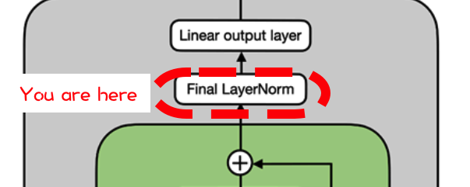
 |  |  |  | ⬇
 | LayerNorm | -1.4 | -0.2 | -0.5 | 0.3 | 1.7
 |  | 1.9 | -1.0 | -0.7 | 0.0 | -0.2
 |  | 0.7 | -0.9 | 1.6 | -0.4 | -1.0
 |  | 0.9 | 0.3 | -0.6 | -1.6 | 1.1
 |  | 0.8 | -0.7 | 0.5 | -1.6 | 1.0

Unembedding Matrix

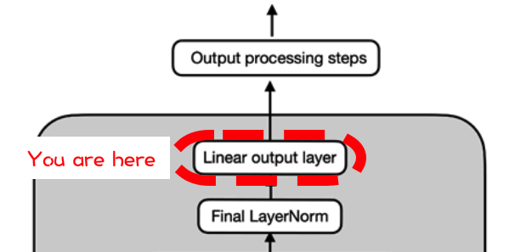
 |  | 1 | 2 | 3 | 4 | 5 | ... | 52678
 |  | EOS | the | brown | dog | jumped | ... | lorem
 | 1 | 1.0 | -0.4 | 0.1 | 0.8 | 0.0 | ... | -3.6
 | 2 | -0.1 | 0.7 | -1.4 | -1.1 | 0.4 | ... | -0.4
 | 3 | -0.2 | 0.3 | -1.5 | -0.5 | 0.0 | ... | 0.9
 | 4 | 1.4 | -0.6 | 1.0 | -0.4 | -0.5 | ... | 1.0
 | 5 | -0.6 | 0.8 | -1.1 | -0.7 | -0.4 | ... | -0.6
 | ... | ... | ... | ... | ... | ... | ... | ...
 | 768 | 1.1 | -0.9 | -1.1 | 0.6 | -0.1 | 2.5 | 0.0
 |  |  |  |  | ⬇
 |  |  |  |  | ⬇
 | Unembedded | -1.8 | 1.4 | -0.7 | -2.0 | -0.9 | -1.9 | -1.0
 |  | 2.2 | -1.8 | 2.8 | 3.1 | -0.3 | 0.3 | 0.5
 |  | 0.5 | -1.0 | -0.3 | 1.6 | 0.2 | 0.6 | 1.6
 |  | -1.9 | 1.5 | -2.2 | 0.6 | 0.5 | -1.2 | -0.1
 |  | -2.2 | 1.2 | -2.5 | 1.0 | 0.1 | -0.7 | -0.4
 |  | 2.4 | -0.7 | 0.2 | 1.4 | 1.0 | -0.8 | 1.0
 |  | -0.5 | 0.7 | 0.4 | 0.7 | -0.4 | -0.4 | 0.8
 |  |  |  |  | ⬇
 |  |  |  |  | ⬇
SoftMax
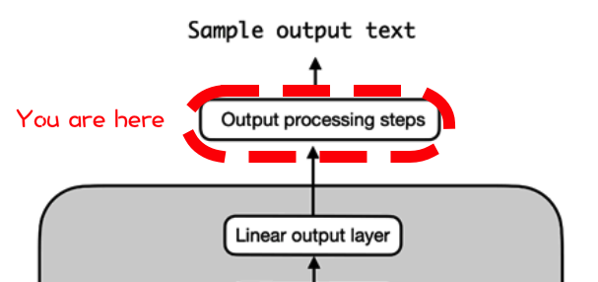
 |  |  |  |  | ⬇
 | Output | 0.0 | 0.7 | 0.1 | 0.0 | 0.1 | 0.0 | 0.1
 |  | 0.2 | 0.0 | 0.3 | 0.4 | 0.0 | 0.0 | 0.0
 |  | 0.1 | 0.0 | 0.0 | 0.3 | 0.1 | 0.1 | 0.3
 |  | 0.0 | 0.5 | 0.0 | 0.2 | 0.2 | 0.0 | 0.1
 |  | 0.0 | 0.4 | 0.0 | 0.3 | 0.1 | 0.1 | 0.1
 |  | 0.5 | 0.0 | 0.1 | 0.2 | 0.1 | 0.0 | 0.1
 |  | 0.06 | 0.21 | 0.16 | 0.20 | 0.07 | 0.07 | 0.23
 |  | 1 | 2 | 3 | 4 | 5 | 6 | 7
 |  | Has | Did | Fox | Dog | You | The | Are

ArgMax of last row (choose the biggest next token)

 | ArgMax | 0.23
 | TokenID | 7

 | Token | The

Why there's no exercises? The key takeaway...

 |  |  |  |  | Transformers aren't magic.
 |  |  |  |  | It's MatMuls in a training loop all the way down.
 |  |  |  |  | You've seen every component of GPT2.

